Indices

 | Iraq Stock Exchange
 | Bulletin No (20)
 | ISX Trading Indices of Monday 2/2/2026

 | Traded Volume and OTC |  | 827,184,742 |  | Traded Value and OTC |  | 799,052,626 |  | Traders | 857
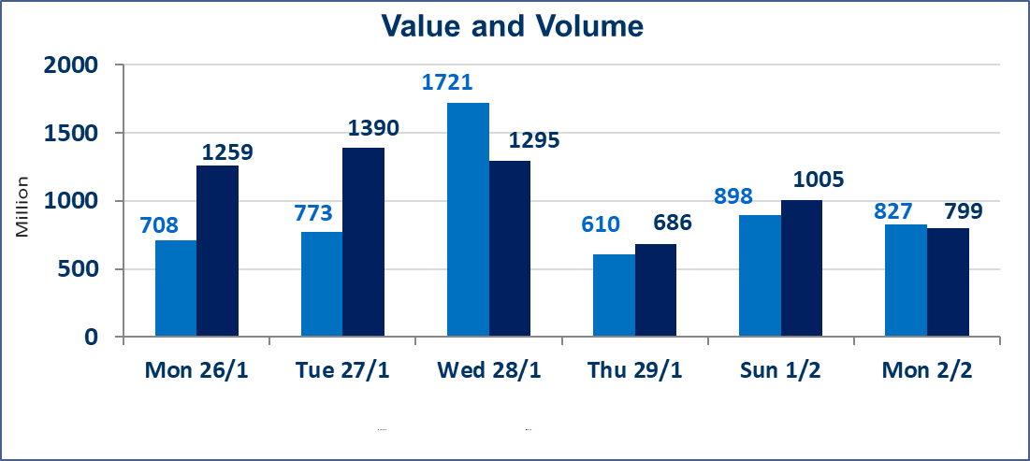
 | ISX Index 60 |  |  | 951.59 | ISX Index 15 |  |  | 1217.79
 | Previous ISX Index60 |  |  | 951.84 | Previous ISX Index15 |  |  | 1219.96
 | Change % |  |  | -0.03 | Change % |  |  | -0.18
 | Change |  |  | -0.25 | Change |  |  | -2.17

 | Listed Companies | 104 | OTC | 14 | Non Traded listed | 45 | OTC | 11
 | Traded Listed Companies | 43 | OTC | 3 | Higher Companies |  |  | 8
 | GAM Companies |  |  | 5 | Lower Companies |  |  | 18
 | Suspended Companies |  |  | 11
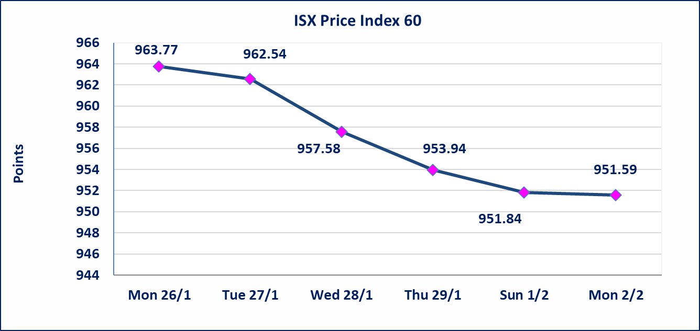
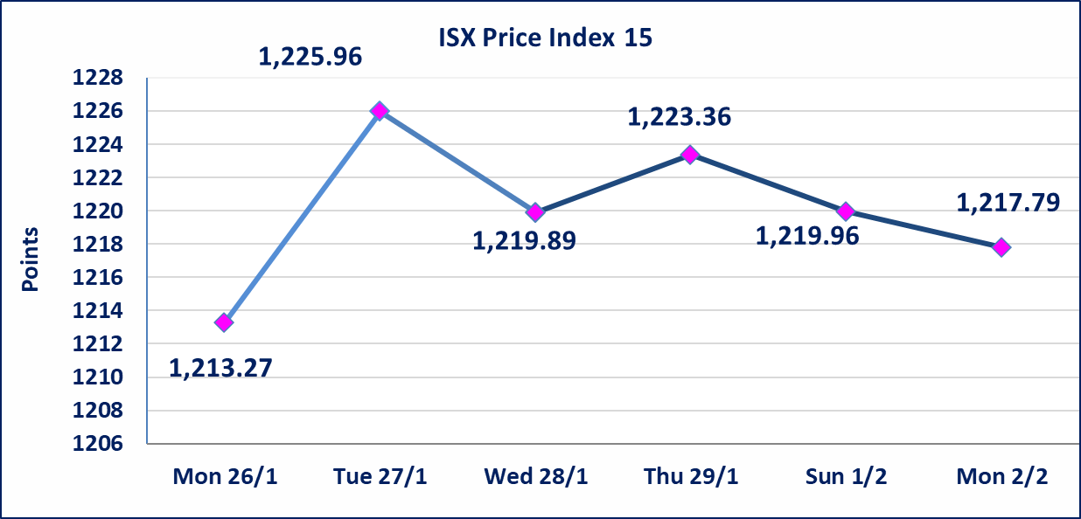

Al-Alwiya P.O . 3607 Mobile: 07711211522 - 07270094594 - 07834000034 E-mail: info-isx@isx-iq.net Web site:www.isx-iq.net

Top 5
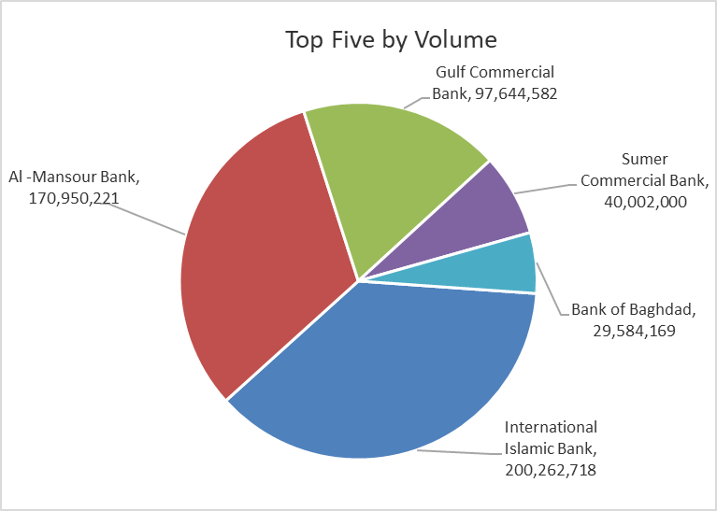
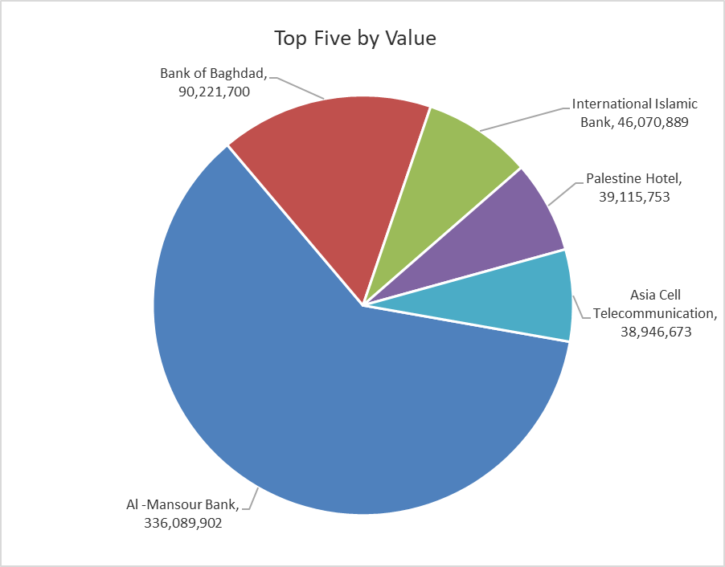

ISX top ganing and losing companies
Monday 2/2/2026
 | Gainers |  |  |  | Losers
 | Company Name | Closing Price | Change (%) | Traded Volume | Company Name | Closing Price | Change (%) | Traded Volume
 | Babil Animal & Vegetable Production | 7.400 | 8.82 | 509,426 | Dar Al-Salam for Insurance | 0.690 | -14.81 | 531,166
 | Iraqi Date Processing and Marketing | 2.850 | 3.64 | 1,249 | International Islamic Bank | 0.230 | -14.81 | 200,262,718
 | Modern Construction Materials | 1.730 | 3.59 | 2,121,770 | Palestine Hotel | 20.400 | -3.77 | 1,899,559
 | Mamoura Realestate | 3.240 | 2.86 | 7,822,860 | Kurdistan International Bank | 1.600 | -3.03 | 61,543
 | Agricultural Products Meat | 4.600 | 2.22 | 381,213 | Electronic Industry | 2.210 | -2.64 | 10,928
 | The most active companies in term of traded volume and value

 | Traded Volume |  |  |  | Traded Value
 | Company Name | Closing Price | Change (%) | Traded Volume | Company Name | Closing Price | Change (%) | Traded Value
 | International Islamic Bank | 0.230 | -14.81 | 200,262,718 | Al -Mansour Bank | 1.980 | 1.54 | 336,089,902
 | Al -Mansour Bank | 1.980 | 1.54 | 170,950,221 | Bank of Baghdad | 3.030 | -1.94 | 90,221,700
 | Gulf Commercial Bank | 0.280 | 0.00 | 97,644,582 | International Islamic Bank | 0.230 | -14.81 | 46,070,889
 | Sumer Commercial Bank | 0.120 | 0.00 | 40,002,000 | Palestine Hotel | 20.400 | -3.77 | 39,115,753
 | Bank of Baghdad | 3.030 | -1.94 | 29,584,169 | Asia Cell Telecommunication | 14.750 | -0.27 | 38,946,673

Non Iraqis

Iraq Stock Exchange
Non Iraqis' Bulletin Monday Feb 2 2026
Regular Market

Non Iraqi Trading of Regular Market (Buy)
Company Names | Code | No.of trades | Traded Shares | Trading Volume
Banks Sector
Bank Of Baghdad | BBOB | 11 | 6,542,971 | 20,182,322
Al-Mansour Bank | BMNS | 7 | 3,715,000 | 7,281,400
Total Bank sector |  | 18 | 10,257,971 | 27,463,722
Grand Total |  | 18 | 10,257,971 | 27,463,722

Non Iraqi Trading of Regular Market (Sell)
Company Names | Code | No.of trades | Traded Shares | Trading Volume
Banks Sector
Al-Mansour Bank | BMNS | 33 | 44,424,005 | 87,559,530
Total Bank sector |  | 33 | 44,424,005 | 87,559,530
Grand Total |  | 33 | 44,424,005 | 87,559,530

Not Trading Bonds

Iraq Stock Exchange
Monday 2/2/2026
Not Trading Bonds Bulletin
Bond type | Publish type | Code | last trading price | immortilize date
Banaa Bonds /Million ID | Second | CB20 | 964,981 | 19/12/2025
Eamar Bonds /Million ID | First | CB30 | 1,001,095 | ــــــــــــــــ
Eamar Bonds /Million ID | Second | CB40 | ــــــــــــــــ | ــــــــــــــــ
Eamar Bonds /500 Thousand ID | Third | CB45 | ــــــــــــــــ | ــــــــــــــــ
Eamar Bonds /Million ID | Third | CB50 | ــــــــــــــــ | ــــــــــــــــ
Injaz Bonds /500 Thousand ID | First | CB55 | ــــــــــــــــ | ــــــــــــــــ
Injaz Bonds /Million ID | First | CB60 | ــــــــــــــــ | ــــــــــــــــ
Injaz Bonds /500 Thousand ID | Second | CB65 | 515,047 | ــــــــــــــــ
Injaz Bonds /Million ID | Second | CB70 | 1,026,082 | ــــــــــــــــ
Injaz Bonds /500 Thousand ID | Third | CB75 | ــــــــــــــــ | ــــــــــــــــ
Injaz Bonds /Million ID | Third | CB80 | 978,182 | ــــــــــــــــ
National Bonds/Million ID | First | CB90 | ــــــــــــــــ | ــــــــــــــــ
National Bonds/500 Thousand ID | Second | CB95 | ــــــــــــــــ | ــــــــــــــــ
National Bonds/Million ID | Second | CB100 | ــــــــــــــــ | ــــــــــــــــ

